OBT Tool
OBT

 |  |  |  |  |  | Calculator

 |  | First Node Number |  |  | Barrel length
 |  | (may be zero or negative) |  |  | (Enter) | (Select)
 |  | 2 |  |  | 24.0 | inches

 | Node Numbers

 | 2 | 3 | 4 | 5 | 6 | 7 | 8

 | 0.895 | 1.022 | 1.102 | 1.228 | 1.308 | 1.434 | 1.515

 | Optimal Barrel Time (mS)

Calculation method provided by:
 |  | Christopher Long

Help
Installing the add-in:
(Source: https://www.excelcampus.com/tools/how-to-install-an-excel-add-in-guide/)

1. Save the add-in and this calculator in a known folder.
– Pick any folder on your hard drive that is easy for you to find.
– My suggestion is to create a folder named “Reloading Calculator” and place it in your Documents folder.
– There are two add-ins, one for 32bit excel and one for 64 bit excel (this one has 64 in its name). Install only the correct version.

2. In Excel go to the Options Menu.
– This varies depending on your version of excel.
– 2007 – Office Button > Excel Options
– 2010 & 2013 – File > Options
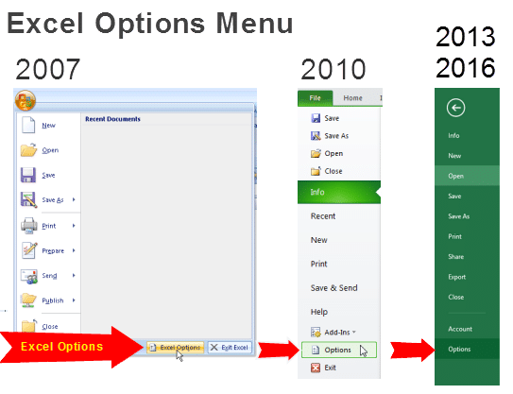

3. Click the “Add-Ins” option on the left-side menu, and then click the “Go…” button.
– You may have to wait a few seconds for the window to appear.

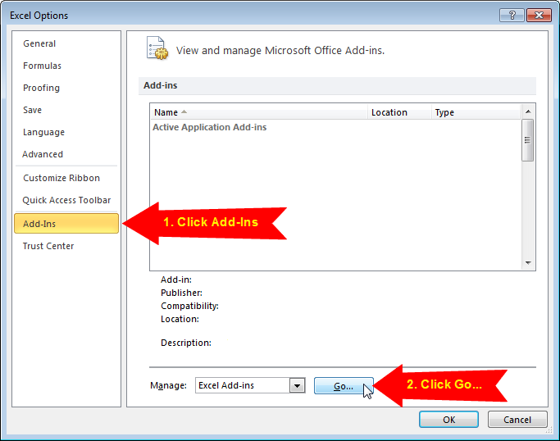

4. Click the “Browse…” button on the Add-Ins Menu.
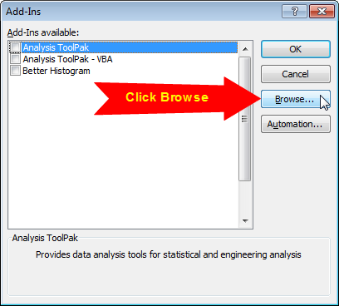

5. Locate the add-in file you saved in Step 1, and click OK.
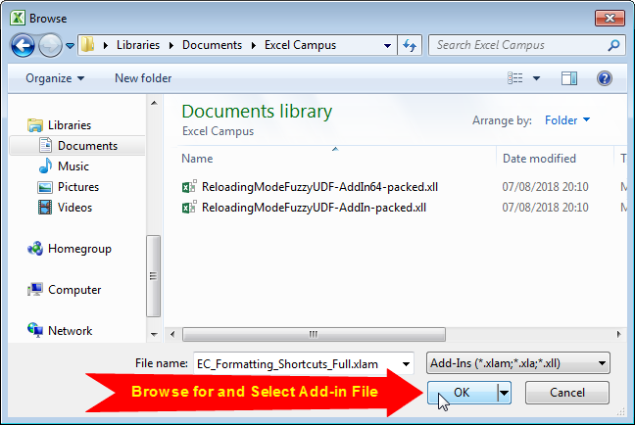

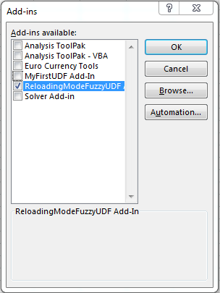
6. The Add-in will appear in the list and should be enabled, click OK.

